Sheet1

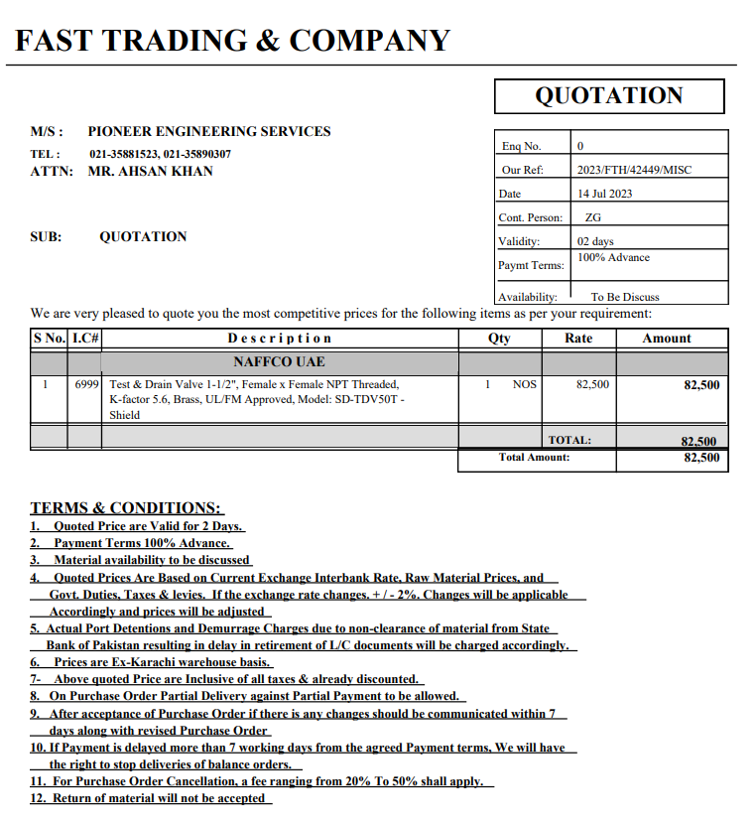

PES/AMR/001/01/23 |  |  |  |  |  |  |  | 2023-07-17

Attn: Mr. Taha Ghaznevi

Variation order for test and drain valve - Amreli Office DMC Karachi

S. # | Description | Material Rate | Labour Rate | Over Head profit 20% | Tax 7.5% | Unit | Qty | Amount
1 | Supply and installation of test and drain valve 1-1/2" | 82,500 | 10,000 | 18,500 | 8,325 | No | 1 | 119,325
Total Amount Rs. |  |  |  |  |  |  |  | 119,325

Thanking you,

For PIONEER ENGINEERING SERVICES.

Bilal Habib

